EER AUG INCS Complex
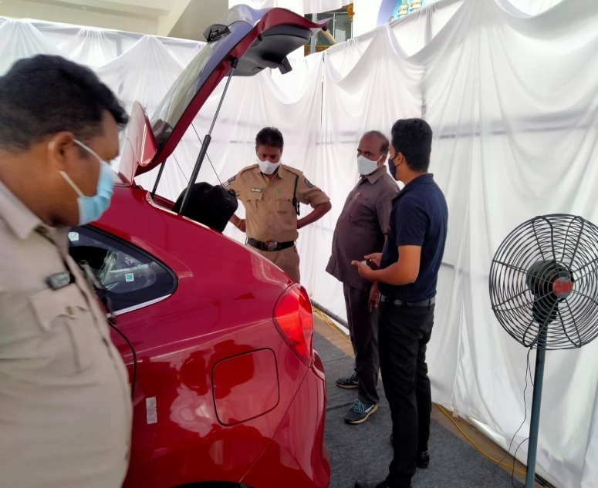
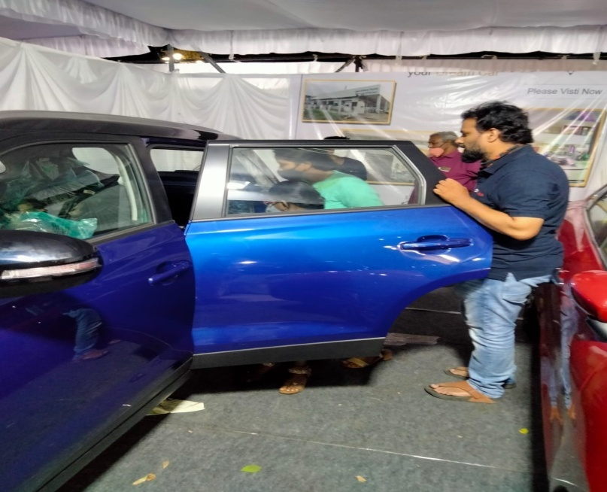
Dealership (name & location): LEELA KRISHNA TOYOTA-VISAKHAPATNAM |  |  |  | 19.09.2021

 | EVENT EFFECTIVENESS REPORT

Event Type |  | INSTITUTIONAL SPONSORSHIP
Products Displayed |  | URBAN CRUISER
Date of Event |  | 18th & 19th sep 2021
Event Ref. No. (MSAP data) |  | VI01A\EV00\SEP2021
Spl Offers (if any) |  | Nil
Finance Tie up (if any) |  | Nil
Total cost of Event |  | 29,500.00
TKM Share |  | 50%
Location of the event |  | GADIRAJU PALACE,VISAKHAPATNAM
Enquiries collected |  | 12
Test Drives given |  | 10
Customer Order received |  | 2

Particulars | MSAP Plan | Actual
Enquiries | 15 | 12
Test Drive | 12 | 10
Customer Order | 2 | 2 | Evaluations-1
Pre event activities done for this event:Distributed Leaflets at the time of Event who are all visited at Activity.

PDCA
What Went Right? |  |  | What needs improvement?
Location is good, Preactivity done, |  |  | Need to Conduct more events

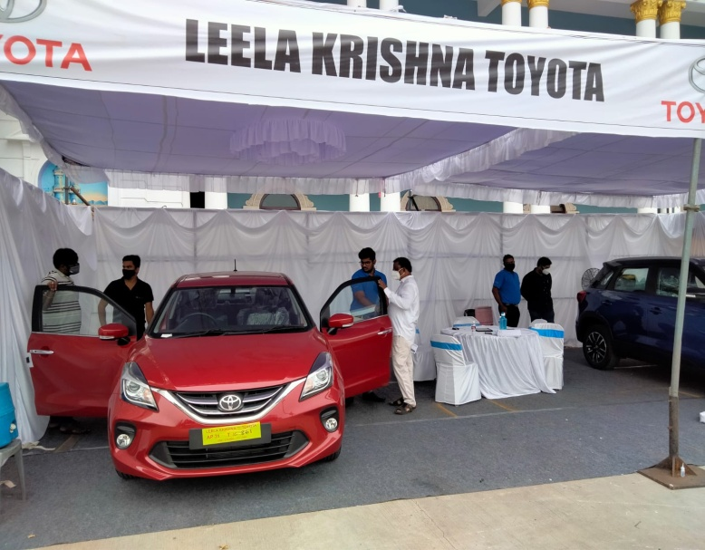
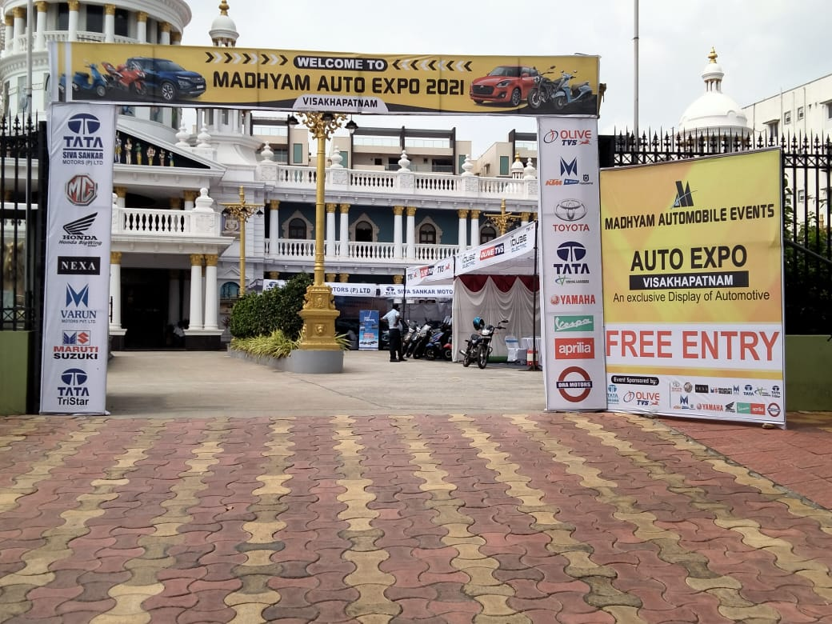
Artwork / Photograph

